01 Effort Breakdown
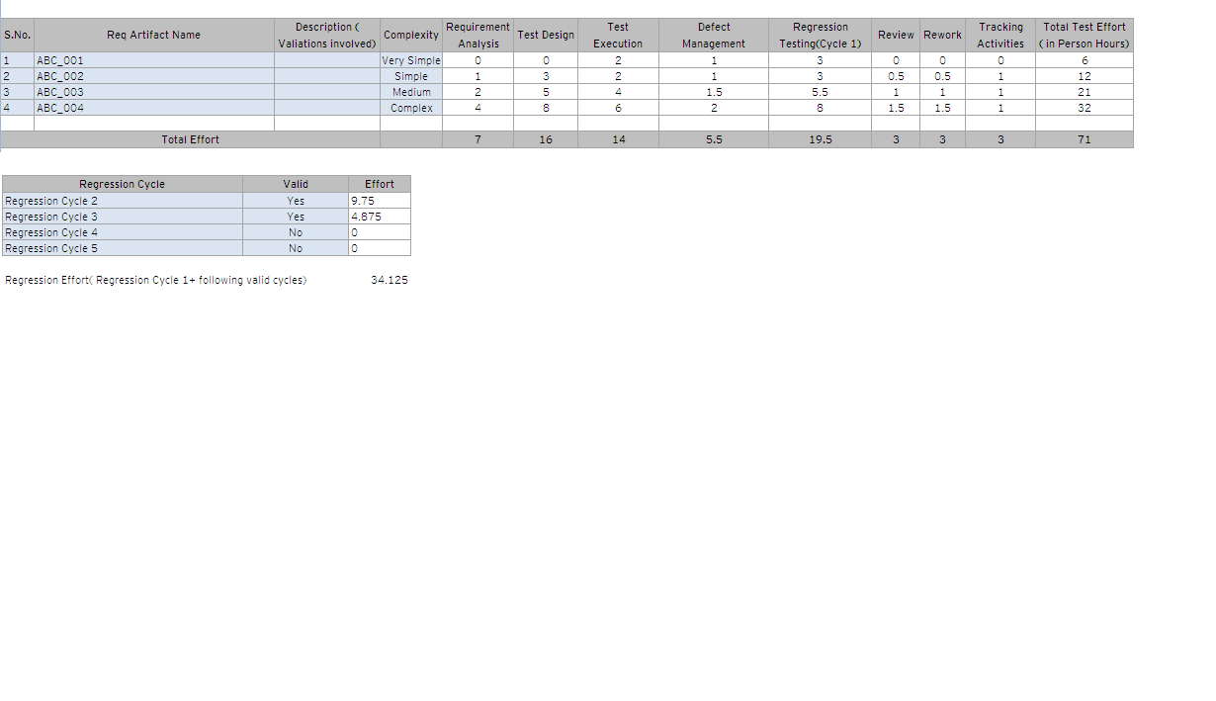
S.No. | Requirment/BRD/Module/StoryCard/Test Case | Description ( Valiations involved) | Complexity | Complexity Point | Requirement Analysis | Test Design | Test Execution | Defect Management | Regression Testing(Cycle 1) | Review | Rework | Reporting/Tracking/Other Activities | Total Test Effort ( in Person Hours)
 | Example 1 |  | Simple | 3 | 0.5 | 1 | 1 | 0.25 | 0.5 | 0.25 | 0.25 | 7 | 10.75
 | Example 2 |  | Simple | 3 | 0.5 | 1 | 1 | 0.25 | 0.5 | 0.25 | 0.25 | 7 | 10.75
 | Example 3 |  | Medium | 5 | 1 | 3 | 4 | 1.5 | 3 | 0.25 | 0.25 | 0.25 | 13.25
 | Example 4 |  | Complex | 8 | 2 | 5 | 8 | 2 | 10 | 0.25 | 0.5 | 0.25 | 28
 | Example 5 |  | Complex | 8 | 2 | 5 | 8 | 2 | 10 | 0.25 | 0.5 | 0.25 | 28
 | Example 6 |  | Complex | 8 | 2 | 5 | 8 | 2 | 10 | 0.25 | 0.5 | 0.25 | 28
 | Example 7 |  | Very Simple | 1 | 0.25 | 0.25 | 1 | 0.25 | 0.5 | 0 | 0 | 0.25 | 2.5
 | Example 8 |  | Medium | 5 | 1 | 3 | 4 | 1.5 | 3 | 0.25 | 0.25 | 0.25 | 13.25
 | Example 9 |  |  |  |  |  |  |  |  |  |  |  | 0
 | Example 10 |  |  |  |  |  |  |  |  |  |  |  | 0
 | Example 11 |  |  |  |  |  |  |  |  |  |  |  | 0
 | Example 12 |  |  |  |  |  |  |  |  |  |  |  | 0
 | Example 13 |  |  |  |  |  |  |  |  |  |  |  | 0
 | Example 14 |  | Medium | 5 | 1 | 3 | 4 | 1.5 | 3 | 0.25 | 0.25 | 0.25 | 13.25
 | Example 15 |  |  |  |  |  |  |  |  |  |  |  | 0
 | Example 16 |  |  |  |  |  |  |  |  |  |  |  | 0
 | Example 17 |  |  |  |  |  |  |  |  |  |  |  | 0
 | Example 18 |  |  |  |  |  |  |  |  |  |  |  | 0
 | Example 19 |  |  |  |  |  |  |  |  |  |  |  | 0
 | Example 20 |  | Medium | 5 | 1 | 3 | 4 | 1.5 | 3 | 0.25 | 0.25 | 0.25 | 13.25
 |  |  |  |  |  |  |  |  |  |  |  |  | 0
 |  |  |  |  |  |  |  |  |  |  |  |  | 0
 |  |  |  |  |  |  |  |  |  |  |  |  | 0
 |  |  |  |  |  |  |  |  |  |  |  |  | 0
 |  |  |  |  |  |  |  |  |  |  |  |  | 0
 |  |  |  |  |  |  |  |  |  |  |  |  | 0
 |  |  |  |  |  |  |  |  |  |  |  |  | 0
 |  |  |  |  |  |  |  |  |  |  |  |  | 0
 |  |  |  |  |  |  |  |  |  |  |  |  | 0
 |  |  |  |  |  |  |  |  |  |  |  |  | 0
 |  |  |  |  |  |  |  |  |  |  |  |  | 0
 |  |  |  |  |  |  |  |  |  |  |  |  | 0
 |  |  |  |  |  |  |  |  |  |  |  |  | 0
 |  |  |  |  |  |  |  |  |  |  |  |  | 0
 |  |  |  |  |  |  |  |  |  |  |  |  | 0
 |  |  |  |  |  |  |  |  |  |  |  |  | 0
 |  |  |  |  |  |  |  |  |  |  |  |  | 0
 |  |  |  |  |  |  |  |  |  |  |  |  | 0
 |  |  |  |  |  |  |  |  |  |  |  |  | 0
 |  |  |  |  |  |  |  |  |  |  |  |  | 0
 |  |  |  |  |  |  |  |  |  |  |  |  | 0
 |  |  |  |  |  |  |  |  |  |  |  |  | 0
 |  |  |  |  |  |  |  |  |  |  |  |  | 0
 |  |  |  |  |  |  |  |  |  |  |  |  | 0
 |  |  |  |  |  |  |  |  |  |  |  |  | 0
 |  |  |  |  |  |  |  |  |  |  |  |  | 0
 |  |  |  |  |  |  |  |  |  |  |  |  | 0
 |  |  |  |  |  |  |  |  |  |  |  |  | 0
 |  |  |  |  |  |  |  |  |  |  |  |  | 0
 |  |  |  |  |  |  |  |  |  |  |  |  | 0
 |  |  |  |  |  |  |  |  |  |  |  |  | 0
 |  |  |  |  |  |  |  |  |  |  |  |  | 0
 |  |  |  |  |  |  |  |  |  |  |  |  | 0
 |  |  |  |  |  |  |  |  |  |  |  |  | 0
 |  |  |  |  |  |  |  |  |  |  |  |  | 0
 |  |  |  |  |  |  |  |  |  |  |  |  | 0
 |  |  |  |  |  |  |  |  |  |  |  |  | 0
 |  |  |  |  |  |  |  |  |  |  |  |  | 0
 |  |  |  |  |  |  |  |  |  |  |  |  | 0
 |  |  |  |  |  |  |  |  |  |  |  |  | 0
 |  |  |  |  |  |  |  |  |  |  |  |  | 0
 |  |  |  |  |  |  |  |  |  |  |  |  | 0
 |  |  |  |  |  |  |  |  |  |  |  |  | 0
 |  |  |  |  |  |  |  |  |  |  |  |  | 0
 |  |  |  |  |  |  |  |  |  |  |  |  | 0
 |  |  |  |  |  |  |  |  |  |  |  |  | 0
 |  |  |  |  |  |  |  |  |  |  |  |  | 0
 |  |  |  |  |  |  |  |  |  |  |  |  | 0
 |  |  |  |  |  |  |  |  |  |  |  |  | 0
 |  |  |  |  |  |  |  |  |  |  |  |  | 0
 |  |  |  |  |  |  |  |  |  |  |  |  | 0
 |  |  |  |  |  |  |  |  |  |  |  |  | 0
 |  |  |  |  |  |  |  |  |  |  |  |  | 0
 |  |  |  |  |  |  |  |  |  |  |  |  | 0
 |  |  |  |  |  |  |  |  |  |  |  |  | 0
 |  |  |  |  |  |  |  |  |  |  |  |  | 0
 |  |  |  |  |  |  |  |  |  |  |  |  | 0
 |  |  |  |  |  |  |  |  |  |  |  |  | 0

Total |  |  |  | 51 | 11.25 | 29.25 | 43 | 12.75 | 43.5 | 2.25 | 3 | 16 | 161

 | **Only cells in Blue should be edited
 | ** Please use the Complexity Column field list to select the complexity of the requirment
 | ** The complexity of the requirment can be used by using the "Complexity Guide" worksheet Complexity Calculator
 | ** Please Ensure that the lines are inserted as and when the line items need to be included.
 | ** User discretion can be used in defining the complexities. Hiint : Further break down of the requirments and decide the complexity of each

 | Regression Testing Cycle Estimates ( Taking into account - 5 Regression cycles)
 | When a Regression Cycle is valid please choose valid = Yes, Else No . The Effort will be calculated on it's own.
 | Each proceeding Regression cycle is assumed to take half the time of the preceeding cycle.

 | Regression Cycle | Valid | Effort
 | Regression Cycle 2 | No | 0
 | Regression Cycle 3 | No | 0
 | Regression Cycle 4 | No | 0
 | Regression Cycle 5 | No | 0

 | Sample

02 Summary
 |  |  | Note : Do not edit any colored cells, only cells in "white" can be edited

Estimates - Break Up
Estimation based on Template |  |  |  |  | Estimation based on Past data
Total Size | 51 | Complexity Point
Phase/Activity | Estimated Efforts (in Hrs) | Estimated Effort Distribution (%) |  | Stream | Testing
Requirement Analysis | 11.25 | 7% |  | Size (Complexity points) | 51.00
Test Design | 29.25 | 18% |  | Past productivity data | 0.19
Test Execution | 43 | 27% |  | Total Effort (Person hours) | 268.42
Defect Management | 12.75 | 8%
Regression Testing | 43.5 | 27% |  | Note
Review | 2.25 | 1% |  | Estimate using the template and arrive at the total effort
Rework | 3 | 2% |  | Estimate the total effort from the past data also
Project Management | 16 | 10% |  | Using both, arrive at the project specific effort
Total Effort( in Person Hours) | 161 | 100% |  | In the project specific effort, identify phase/activity in scope
 |  |  |  | Distribute the project specific effort to the relavant activities

Project Specific Effort Distribution

Total project specific effort decided (person hours) | 193.2
Phase/Activity | Phase/Activity In Scope | Project Specific Effort (Hrs) | Project Specific Effort Distribution (%) | Comments for project specific effort distribution
Requirement Analysis | Yes | 11.3 | 7%
Test Design | Yes | 29.3 | 18%
Test Execution | Yes | 43.0 | 27%
Defect Management | Yes | 12.8 | 8%
Regression Testing | Yes | 43.5 | 27%
Review | Yes | 2.3 | 1%
Rework | Yes | 3.0 | 2%
Project Management | Yes | 16.0 | 10%
Total Effort( in Person Hours) |  | 161.00 | 100%
Contigency Effort |  | 32.20 | 20%

KT |  | 150
Test Data |  | 100
Other Non Testing Activities |  | 100
Leadership Time

